Bodyfat Guesstimate
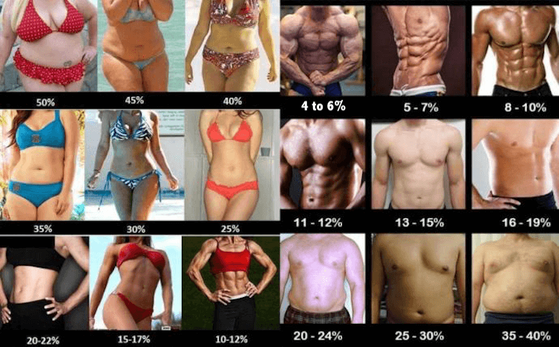
If you do not have a more accurate way to measure your bodyfat %, you can use this chart to get a decent guesstimate!

